CDKN-S
CDKN-S Series Narrow-face Rail Switching Power Supply
Product features
CDKN-S series products are single-output narrow-face rail switching power supplies with narrow-face metal chassis design and 100-240VAC input voltage. Provide 12V 24V 36V 48V output (special requirements can be customized). The efficiency of this series of products is up to 88%. The narrow metal shell design has good heat dissipation performance, so that the products can work in the temperature range from -20 ℃ to + 70 ℃. The whole series of products have ultra-low no-load and no-consumption, which can make the terminal system meet the international requirements. CDKN-S series products provide a cost-effective solution for a variety of industrial applications, such as industrial control systems, industrial automation machinery, mechanical and electrical equipment, electronic instruments and other fields.

Technical parameters
Product model |  | CDKN-S series narrow-face rail switching power supply
Voltage range |  | 100-240VAC
Voltage accuracy |  | ±1％
Ripple and noise |  | 3.5% of rated output voltage (mVp-p)
Voltage tolerance |  | ±2％
Overload protection |  | 110％-150％
Load regulation |  | ±1％
Leakage current |  | ＜2mA240VAC
Efficiency |  | 88%

Outline and Installation Dimension (mm)
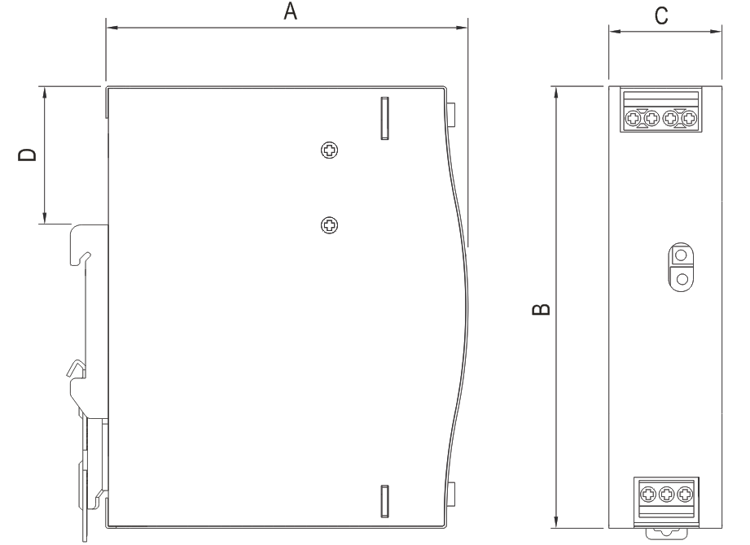 |  |  |  |  |  | 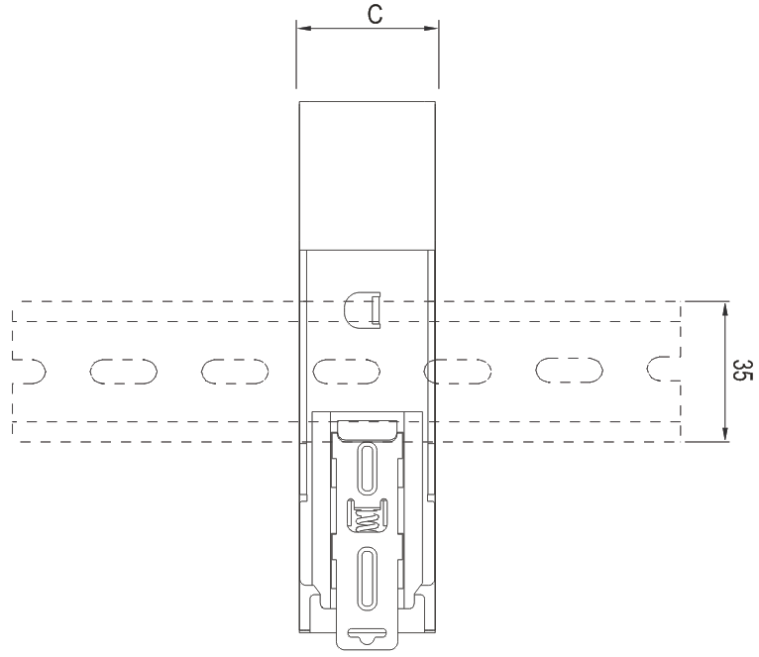
 |  |  |  |  |  | Installable DIN rail: TS35/7.5 or TS35/15
Model | A | B | C | D
CDKN-S75 | 102 | 125.2 | 32 | 35
CDKN-S120 | 113.5 | 125.2 | 40 | 35
CDKN-S240 | 113.5 | 125.2 | 63 | 35
CDKN-S480 | 128.5 | 125.2 | 85 | 35

Selection Guide
Product model |  |  |  |  | Rated power |  | Rated voltage
CDKN-S narrow-face rail switching power supply |  |  |  |  | 75：75W 120:120W 240:240W ....480-480W |  | 12:12V 24:24V 36:36V 48:48V

Product Specifications
Specification |  |  | Rated voltage V
CDKN-S75 |  |  | 12 24 36 48
CDKN-S120 |  |  | 12 24 36 48
CDKN-S240 |  |  | 24 48
CDKN-S480 |  |  | 24 48

Operating Environment and Working Conditions
Altitude |  | Installation site not more than 2000 m
Ambient temperature |  | The upper limit of ambient air temperature is + 70 ℃
 |  | The lower limit of ambient air temperature is -20 ℃
Installation environment |  | The installation environment should be well ventilated and free of obvious dirt, moisture, corrosive gas, conductive dust, combustible materials and combustible gas.
Installation conditions |  | ; A) No significant shaking and shock vibration; B) Indoor use;).

